KPI Dashboard
KPI Analysis Dashboard

Subscribers
Avg Likes
Videos
Total Views
Avg Views
Total Likes
80,500
3,004,735
857
127
23,697
108,786

Most Watched Videos
 | Total
ðŸš– Uber Data Analytics | End-To-End Data Engineering Project | 297,709
Twitter Data Pipeline using Airflow for Beginners | Data Engineering Project | 146,332
How I Would Learn Data Engineering 2023 (If I could start over) | 142,885
Getting into Data Engineering - Courses, Projects, and The Reality | 140,819
YouTube Data Analysis | END TO END DATA ENGINEERING PROJECT | 129,170
Most Liked Videos
 | Total
ðŸš– Uber Data Analytics | End-To-End Data Engineering Project | 10,287
How I Would Learn Data Engineering 2023 (If I could start over) | 6,560
Twitter Data Pipeline using Airflow for Beginners | Data Engineering Project | 4,812
Getting into Data Engineering - Courses, Projects, and The Reality | 4,626
ðŸ“ˆ Stock Market Real-Time Data Analysis Using Kafka | End-To-End Data Engineering Project | 4,141

Trend of Views
 | Total
5/10/2021 | 8,483
5/16/2021 | 61,989
6/2/2021 | 2,090
6/9/2021 | 3,790
6/17/2021 | 43,545
6/22/2021 | 21,812
6/30/2021 | 11,990
7/4/2021 | 38,188
7/11/2021 | 9,361
7/17/2021 | 7,002
7/23/2021 | 3,102
7/28/2021 | 10,528
7/31/2021 | 4,278
8/4/2021 | 105,368
8/7/2021 | 1,799
8/11/2021 | 42,495
8/14/2021 | 4,473
8/18/2021 | 43,473
8/21/2021 | 3,755
8/25/2021 | 17,606
8/28/2021 | 2,604
9/1/2021 | 10,827
9/4/2021 | 3,688
9/8/2021 | 12,204
9/11/2021 | 5,617
9/15/2021 | 12,585
9/18/2021 | 5,222
9/22/2021 | 28,499
9/25/2021 | 1,669
9/29/2021 | 13,577
10/2/2021 | 4,255
10/6/2021 | 6,166
10/9/2021 | 12,914
10/13/2021 | 8,906
10/16/2021 | 1,360
10/20/2021 | 8,776
10/23/2021 | 2,470
10/27/2021 | 17,439
10/30/2021 | 1,347
11/3/2021 | 5,470
11/6/2021 | 2,244
11/10/2021 | 11,873
11/14/2021 | 6,175
11/17/2021 | 8,693
11/20/2021 | 3,380
11/24/2021 | 9,137
11/27/2021 | 4,731
12/1/2021 | 43,053
12/5/2021 | 140,819
12/9/2021 | 17,031
...
Insights

Content Popularity by Views: Videos related to data engineering projects and tutorials are highly popular, as indicated by the significantly higher views on those topics compared to other content.
Trend of views: The trend over time indicates a significant increase in viewership and engagement on your YouTube videos. Over the past few months, there has been a notable uptick in views, suggesting a growing interest in channel's content.

Upload Dashboard
Upload Analysis Dashboard

Videos Per Playlist
 | Total
Best Freelancer Series 2023 | 6
COVID ANALYSIS - END TO END DATA ENGINEERING PROJECT | 3
Data Engineer Complete Road Map 2022 | 4
Data Engineering Project - Cloud Series | 10
Data Engineering Project Portfolio | 7
Full Python Course | 1
Podcast Series - Data With Darshil | 8
SQL - BEGINNER TO ADVANCE SERIES | 4
YOUTUBE DATA ANALYSIS - DATA ENGINEERING PROJECT | 1
Insights

Conent: Most playlists are centered around data engineering, tutorials, and project implimentation, indicating that these topics are in demand among viewers.
Consistent Presence: Even during months with lower engagement, there's a consistent stream of content being published, indicating the content creator's dedication to providing value to their audience
Prime Upload Time: Most videos uploaded around 12:30 PM might be timed well to capture viewers during lunch breaks or leisure hours, potentially enhancing engagement.
.

Monthly Uploads
 | Total
January | 1
February | 1
March | 8
April | 2
June | 3
July | 3
August | 5
September | 6
October | 5
November | 5
December | 5
Hourly Uploads
 | Total
3 | 2
4 | 1
5 | 4
6 | 4
7 | 3
8 | 1
10 | 3
11 | 8
12 | 56
13 | 31
14 | 12
15 | 2

Engagement Dashboard
Insights
Seasonal Trends: Some months, like Apr,Aug-Sep and Dec-Jan, show higher engagement levels. This could be due to back-to-college and work trends, as people seek educational content during these periods.
Time to Upload: Uploads on 5-6 PM and 7-8 PM hour brings most engagement. This is the time when people go online after work hours.
Category: The audieances are more inclined towards Tech & Education related videos which are mostly guidence, concepts, tutorials and projects.
Tags: "data engineering tutorials," "data engineering projects," "how to become a data engineer," and "data engineering skills" these tags indicate the audience is highly interested in learning practical skills and gaining insights into the data engineering process & projects.
Engagement Analysis Dashboard

Category Wise Engagemwnt
 | Total Views | Total Likes
Education | 2,374,044 | 90,832
Entertainment | 1,644 | 109
Science & Technology | 631,736 | 17,753
Travel & Events | 2,090 | 92
Tags Distribution

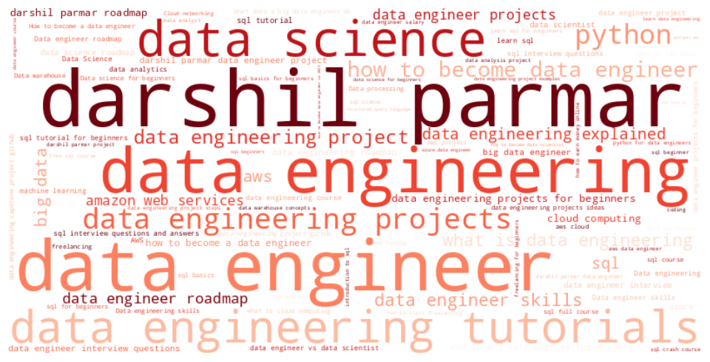

Month Wise Engagement
 | Avg View | Avg Like
January | 38,922 | 1,769
February | 12,122 | 400
March | 25,323 | 812
April | 41,399 | 1,541
May | 15,197 | 816
June | 20,613 | 829
July | 22,005 | 838
August | 24,530 | 667
September | 21,565 | 636
October | 7,070 | 179
November | 17,902 | 678
December | 40,944 | 1,368
Engagement by hour
 | Total
10-11 | 18,761
11-12 | 27,556
12-13 | 25,207
13-14 | 23,473
14-15 | 18,812
15-16 | 9,717
3-4 | 2,940
4-5 | 10,989
5-6 | 50,183
6-7 | 13,339
7-8 | 22,671
8-9 | 9,361

